DE Savings
2023 IRP |  |  |  |  | 1 | 2 | 3 | 4 | 5 | 6 | 7 | 8 | 9 | 10 | 11 | 12 | 13 | 14 | 15 | 16 | 17 | 18 | 19 | 20 | 21 | 22 | 23 | 24 | 25 | 26 | 27 | 28 | 29
 | Completed 2013-2018 | 2019 | 2020 | 2021 | 2022 | 2023 | 2024 | 2025 | 2026 | 2027 | 2028 | 2029 | 2030 | 2031 | 2032 | 2033 | 2034 | 2035 | 2036 | 2037 | 2038 | 2039 | 2040 | 2041 | 2042 | 2043 | 2044 | 2045 | 2046 | 2047 | 2048 | 2049 | 2050
CVR - Line Drop Compensation (LDC) | 11 | 1 | 3 | 5 | 14 | 15 | 12 | 10 | 7 | 7 | 6
Volt Var Optimization (VVO) - Substations where CVR Not Previously Implemented |  |  |  |  |  |  |  | 2 | 5 | 5 | 6 | 13 | 13 | 13 | 10 | 0 | 0 | 0 | 0 | 0 | 0 | 0 | 0 | 0 | 0 | 0 | 2 | 5 | 5 | 6 | 13 | 13 | 13
Volt Var Optimization (VVO) - Substations where CVR Previously Implemented |  |  |  |  |  |  |  |  |  |  |  |  |  |  | 3 | 13 | $13 | 13 | 13 | 13 | 13 | 10 | 0 | 0 | 0 | 0 | 0 | 0 | 0 | 0 | 0 | 0 | 0
Cuumulative Units Installed (VVO & CVR) | 11 | 12 | 15 | 20 | 34 | 49 | 61 | 73 | 85 | 97 | 109 | 122 | 135 | 148 | 161 | 174 | 187 | 200 | 213 | 226 | 239 | 249 | 249 | 249 | 249 | 249 | 251 | 256 | 261 | 267 | 280 | 293 | 306
Annual Incremental Savings (MWh) | 9,892 | 327 | 2,059 | 2,264 | 9,675 | 10,907 | 8,725 | 9,010 | 9,436 | 9,436 | 9,578 | 11,301 | 11,301 | 11,301 | 8,693 | 0 | 0 | 0 | 0 | 0 | 0 | 0 | 0 | 0 | 0 | 0 | 0 | 0 | 0 | 0 | 0 | 0 | 0
Annual Cummulative Savings (MWh) | 9,892 | 10,218 | 12,277 | 14,541 | 9,675 | 20,582 | 29,307 | 38,316 | 47,753 | 57,189 | 66,767 | 78,068 | 89,369 | 100,670 | 109,363 | 109,363 | 109,363 | 109,363 | 109,363 | 109,363 | 109,363 | 109,363 | 109,363 | 109,363 | 109,363 | 109,363 | 109,363 | 109,363 | 109,363 | 109,363 | 109,363 | 109,363 | 109,363
Annual Cummulative Savings (aMW) | 1.1 | 1.2 | 1.4 | 1.7 | 1.1 | 2.3 | 3.3 | 4.4 | 5.5 | 6.5 | 7.6 | 8.9 | 10.2 | 11.5 | 12.5 | 12.5 | 12.5 | 12.5 | 12.5 | 12.5 | 12.5 | 12.5 | 12.5 | 12.5 | 12.5 | 12.5 | 12.5 | 12.5 | 12.5 | 12.5 | 12.5 | 12.5 | 12.5
Annual O&M Costs |  |  |  |  | $560,000 | $615,000 | $504,300 | $559,983 | $640,211 | $656,217 | $695,816 | $927,175 | $950,354 | $974,113 | $998,466 | $1,023,428 | $1,049,013 | $1,075,239 | $1,102,120 | $1,129,673 | $1,157,914 | $912,971 | $0 | $0 | $0 | $0 | $206,589 | $529,383 | $542,618 | $667,420 | $1,482,228 | $1,519,284 | $1,557,266
Incremental Capital Cost |  |  |  |  | $3,500,000 | $3,843,750 | $3,151,875 | $3,607,584 | $4,277,275 | $4,384,207 | $4,696,758 | $6,567,489 | $6,731,676 | $6,899,968 | $7,072,467 | $7,249,279 | $7,430,511 | $7,616,274 | $7,806,680 | $8,001,847 | $8,201,894 | $6,466,878 | $0 | $0 | $0 | $0 | $1,463,336 | $3,749,798 | $3,843,543 | $4,727,557 | $10,499,117 | $10,761,595 | $11,030,635
Total Incremental Cost |  |  |  |  | $4,060,000 | $4,458,750 | $3,656,175 | $4,167,567 | $4,917,486 | $5,040,424 | $5,392,574 | $7,494,664 | $7,682,030 | $7,874,081 | $8,070,933 | $8,272,706 | $8,479,524 | $8,691,512 | $8,908,800 | $9,131,520 | $9,359,808 | $7,379,849 | $0 | $0 | $0 | $0 | $1,669,924 | $4,279,181 | $4,386,160 | $5,394,977 | $11,981,345 | $12,280,879 | $12,587,901

DE - Annual Cummulative Savings (aMW)
Note: | Capex | Opex |  |  | WACC: | 6.80%
Est. Cost per Station (LDC): | $250,000 | $40,000 |  |  | Inflation: | 2.50%
Est. Cost per Station (VVO): | $425,000 | $60,000 |  |  | NPV of Savings MWh: | 937,681
 |  |  |  |  | NPV of Total Costs $: | $72,484,960
 |  |  |  |  | Levelized $/MWh: | $77.30

Substations
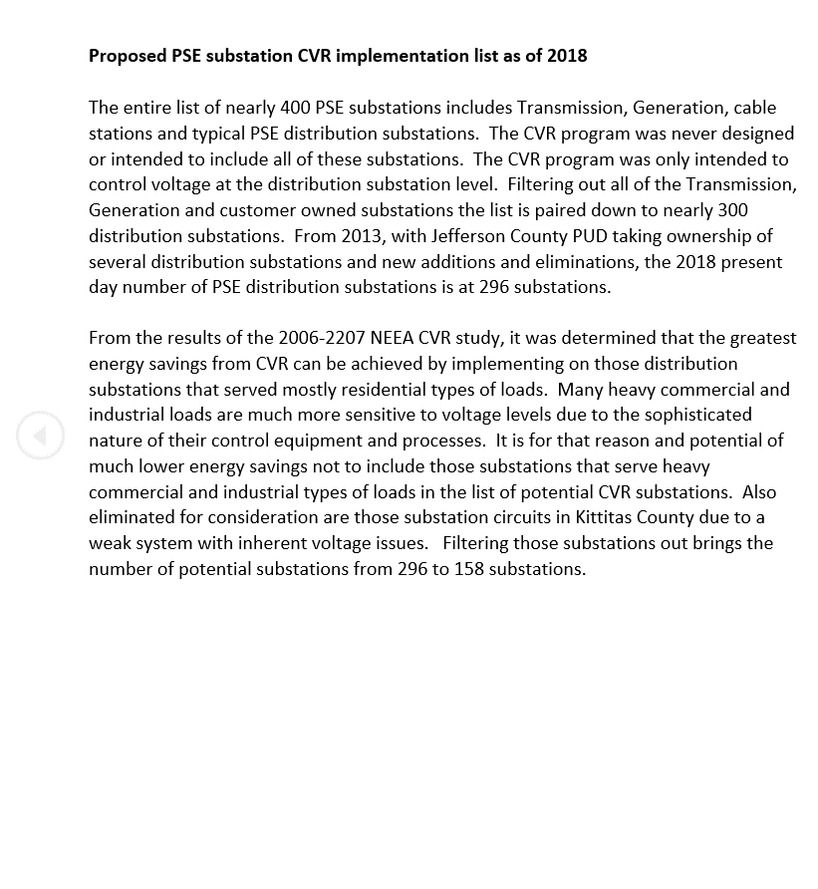

Evaluation
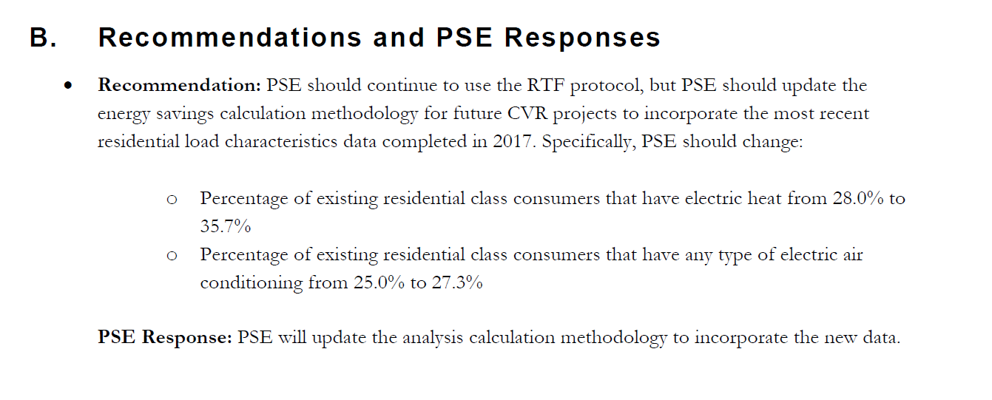
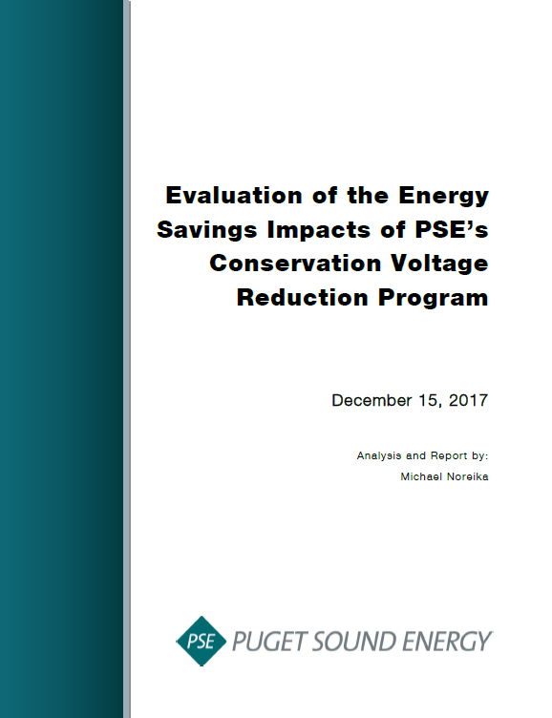

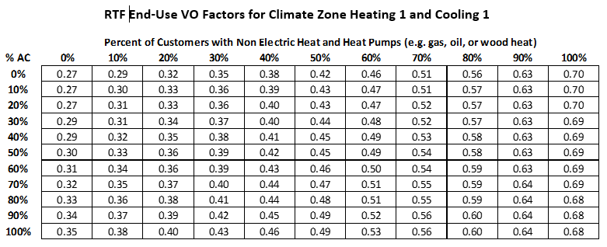

Problem Substations
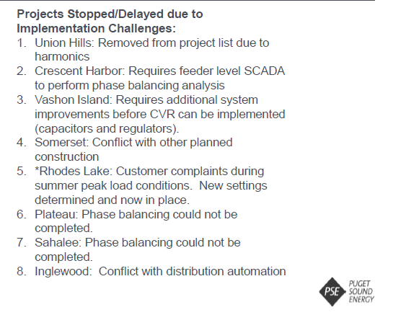

Source 12/3/2020 CVR Update Brownbag for UTC Staff
